Prov for Audit Fees-2040.200
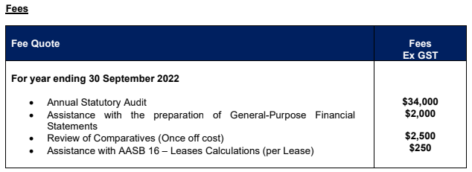
SILLIKER AUSTRALIA PTY LTD |  |  | Oct-22

BALANCE AS AT

Provision for Audit Fees

Account Number - 112.2040.200
 |  |  |  |  | Oct-22
Balance as per GL |  | -49,360.00 |  | Balance as per Trial Balance | -49,360.00

Opening Balance |  | -21,290.00 |  | YTD Audit Fee O/B Accrual | -49,360.00
YTD Audit Fee Accrual FY22 |  | -5,550.00 |  | Monthly Accrual
 |  |  |  | YTD Ernst & Young Audit Fee
Payment and adjustment for FY21 |  |  |  | Total | -49,360.00
Final Audit FY21 Ernst & Young Audit Fee |  | 22,088.00
Audit Fee Accrual Release in Nov 21 |  | 5,442.00 |  | Variance | -

 |  | 690.00

Est for audit FY22 (based on Lowe Lippmann engagaement letter) | 46,500
Current accrual | 690
Under/(Over) Accrual FY21 | 47,190

Total |  | 690.00

Variance |  | 50,050.00

Charmaine Chan
Prepared By

Authorised By

Accrued FBT-2170.100
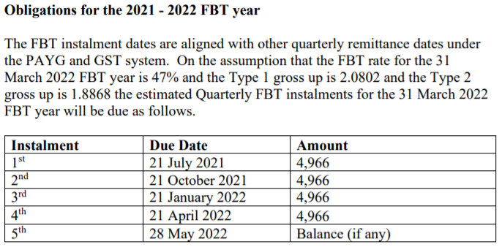
SILLIKER AUSTRALIA PTY LTD |  |  | Oct-22

BALANCE AS AT

Accrued FBT Account
 |  |  |  |  | Oct-22
Account -112. 2170.100 |  | -2,725.00 |  | Balance as per Trial Balance | -2,725.00

FBT Accruals balance | 2022-2023 FBT Year | -7,691.00 |  | FBT Accruals
 |  |  |  | FBT Instalments Paid (YTD)
 |  |  |  | Total | -

 |  |  |  | Variance | 2,725.00

2021-2022 FBT Year Instalment |  | 4,966.00
- Jul 2022 | 4,966.00
- Sep 2022
- Dec 2022
- Mar 2023
refund
Total |  | -2,725.00

Variance |  | 0.00

Charmaine Chan
Prepared By

Authorised By

